TABLE
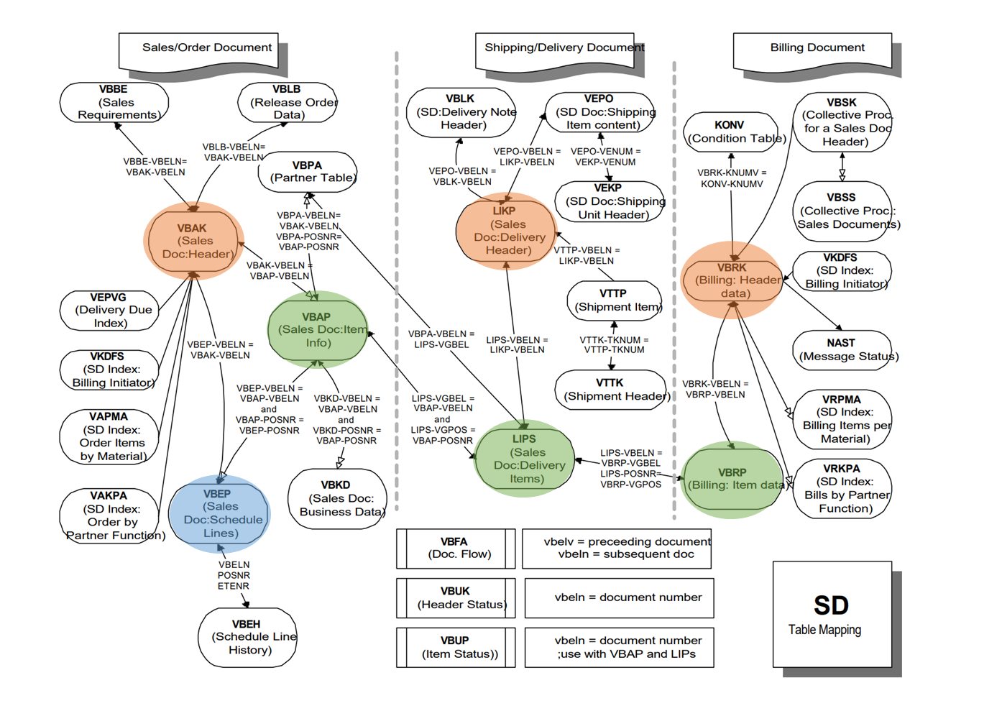
ORDER | VBAK | SALES DOCUMENT: HEADER DATA | VBELN | SALES DOCUMENT
 | VBAP | SALES DOCUMENT: ITEM DATA | VBELN | SALES DOCUMENT
 |  |  | POSNR | SALES DOCUMENT ITEM
 | VBEP | SALES DOCUMENT: SCHEDULE LINE DATA | VBELN | SALES DOCUMENT
 |  |  | POSNR | SALES DOCUMENT ITEM
 |  |  | ETENR | SCHEDULE LINE

DELIVERY | LIKP | SD DOCUMENT: DELIVERY HEADER DATA | VBELN | DELIVERY
 | LIPS | SD DOCUMENT: DELIVERY: ITEM DATA | VBELN | DELIVERY
 |  |  | POSNR | DELIVERY ITEM

BILLING | VBRK | BILLING DOCUMENT: HEADER DATA | VBELN | BILLING DOCUMENT
 | VBRP | BILLING DOCUMENT: ITEM DATA | VBELN | BILLING DOCUMENT
 |  |  | POSNR | BILLING ITEM

BILLING ITEM
VBRP | Billing Document: Item Data
FIELD LABEL | FIELD NAME | 8번조회결과 | 8번조회결과 | Description
Cl. | MANDT | 400 | 400 | Client
Bill.Doc. | VBELN | 0090000001 | 0090000001 | Billing Document
Item | POSNR | 10 | 20 | Billing Item
HgLvIt | UEPOS | 0 | 10 | Higher-Level item in bill of material structures
Billed Quantity | FKIMG | 980 | 20 | Actual billed quantity
SU | VRKME | ST | ST | Sales unit
Numerator | UMVKZ | 1 | 1 | Numerator (factor) for conversion of sales quantity into SKU
Denominator | UMVKN | 1 | 1 | Denominator (Divisor) for Conversion of Sales Qty into SKU
BUn | MEINS | ST | ST | Base Unit of Measure
Scale Quantity | SMENG | 0 | 0 | Scale Quantity in base unit of measure
Bill.qty in SKU | FKLMG | 980 | 20 | Billing quantity in stockkeeping unit
Required Quantity | LMENG | 980 | 20 | Required quantity for mat.management in stockkeeping units
Net weight | NTGEW | 882 | 18 | Net weight
Gross weight | BRGEW | 980 | 20 | Gross weight
WUn | GEWEI | G | G | Weight Unit
Volume | VOLUM | 0.000 | 0.000 | Volume
VUn | VOLEH |  |  | Volume unit
BusA | GSBER |  |  | Business Area
Pricing dt | PRSDT | 2015-11-25 | 2015-11-25 | Date for pricing and exchange rate
Serv.Rend. | FBUDA | 2015-11-25 | 2015-11-25 | Date on which services rendered
Exch.Rate | KURSK | 1.00000 | 1.00000 | Exchange Rate for Price Determination
Net Value | NETWR | 17,199.00 | 0.00 | Net value of the billing item in document currency
OriginDoc. | VBELV |  |  | Originating document
Item | POSNV | 0 | 0 | Originating item
Ref.doc. | VGBEL | 0080000001 | 0080000001 | Document number of the reference document
RefItm | VGPOS | 10 | 20 | Item number of the reference item
PrCat | VGTYP | J | J | Document Category of Preceding SD Document
Sales Doc. | AUBEL | 0000000008 | 0000000008 | Sales Document
Item | AUPOS | 10 | 20 | Sales Document Item
Sales document was created from referenc | AUREF |  |  | Sales document was created from reference
Material | MATNR | TG11 | TG11 | Material Number
Description | ARKTX | Trad.Good 11,PD,Reg.Trading | Trad.Good 11,PD,Reg.Trading | Short text for sales order item
Pricing Ref. Matl | PMATN |  |  | Pricing Reference Material
Batch | CHARG |  |  | Batch Number
Matl Group | MATKL | L001 | L001 | Material Group
ItCa | PSTYV | TAN | TANN | Sales document item category
IT | POSAR |  |  | Item Type
Product hierarchy | PRODH |  |  | Product hierarchy
ShPt | VSTEL | 1710 | 1710 | Shipping Point/Receiving Point
R | ATPKZ |  |  | Replacement part
Dv | SPART | 00 | 00 | Division
ParItm | POSPA | 10 | 10 | Item number in the partner segment
Plnt | WERKS | 1710 | 1710 | Plant
Ctry | ALAND | US | US | Departure country (country from which the goods are sent)
Reg | WKREG | CA | CA | Region in which plant is located
Cty | WKCOU |  |  | County in which plant is located
Cty | WKCTY |  |  | City in which plant is located
TxMt1 | TAXM1 | 1 | 1 | Tax classification material
Tx2Mt | TAXM2 |  |  | Tax classification 2 for material
Tx3Mt | TAXM3 |  |  | Tax classification 3 for material
Tx4Mt | TAXM4 |  |  | Tax Classification 4 Material
Tx5Mt | TAXM5 |  |  | Tax classification 5 for material
Tx6Mt | TAXM6 |  |  | Tax classification 6 for material
Tx7Mt | TAXM7 |  |  | Tax classification 7 for material
Tx8Mt | TAXM8 |  |  | Tax Classification 8 Material
Tx9Mt | TAXM9 |  |  | Tax Classification 9 Material
Stat. | KOWRR |  |  | Statistical Values
Prcg. | PRSFD | X |  | Carry out pricing
CDc | SKTOF | X | X | Cash discount indicator
CashDiscount Basis | SKFBP | 18,402.93 | 0.00 | Amount eligible for cash discount in document currency
MPG | KONDM |  |  | Material Price Group
AAGM | KTGRM | 01 | 01 | Account Assignment Group for Material
Cost Ctr | KOSTL |  |  | Cost Center
VRG | BONUS |  |  | Volume rebate group
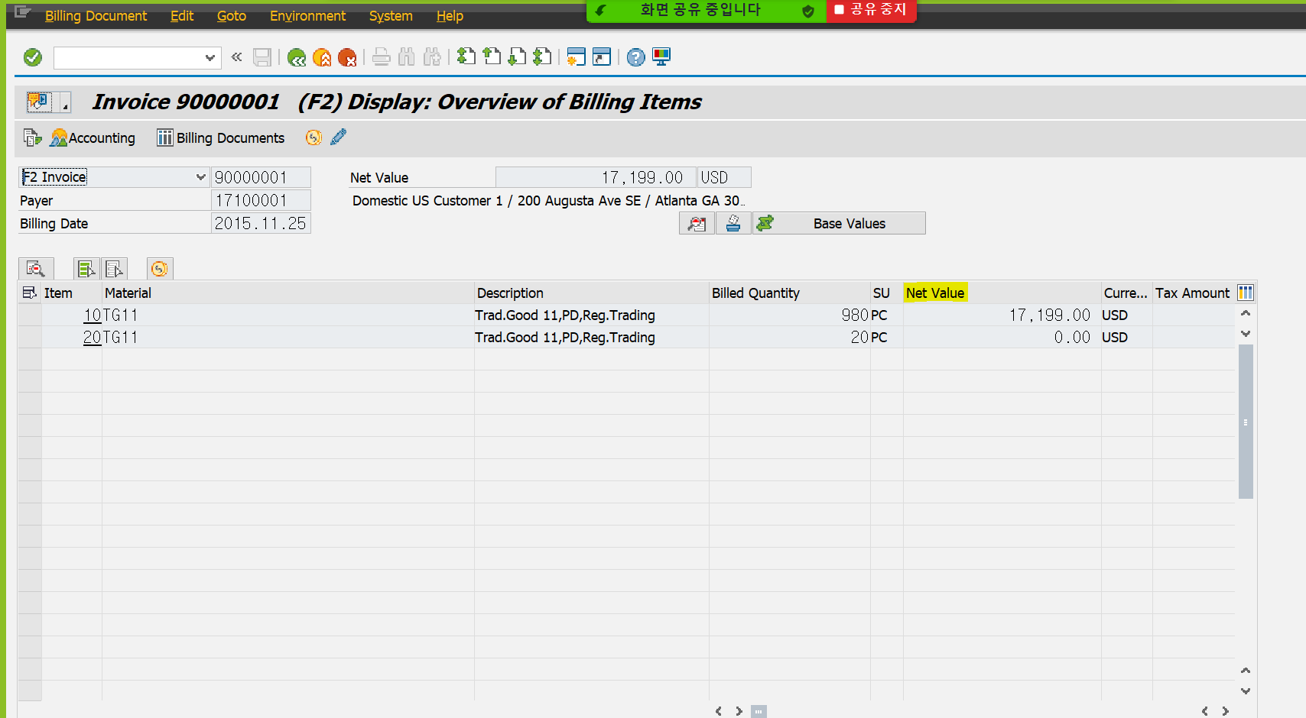
Com | PROVG |  |  | Commission group
EAN Number | EANNR |  |  | European Article Number (EAN) - obsolete!!!!!
SGrp | VKGRP |  |  | Sales group
SOff. | VKBUR |  |  | Sales office
Di | SPARA | 00 | 00 | Division for order header
Ret | SHKZG |  |  | Returns item
Created by | ERNAM | JONESD | JONESD | Name of Person who Created the Object
Created on | ERDAT | 2015-11-25 | 2015-11-25 | Date on which the record was created
Time | ERZET | 5:03:45 | 5:03:45 | Entry time
Val. Type | BWTAR |  |  | Valuation Type
SLoc | LGORT | 171A | 171A | Storage location
UpdGrp | STAFO |  |  | Update Group for statistics update
Cost | WAVWR | 13,230.00 | 270.00 | Cost in document currency
Subtotal 1 | KZWI1 | 17,199.00 | 0.00 | Subtotal 1 from pricing procedure for condition
Subtotal 2 | KZWI2 | 17,199.00 | 0.00 | Subtotal 2 from pricing procedure for condition
Subtotal 3 | KZWI3 | 17,199.00 | 0.00 | Subtotal 3 from pricing procedure for condition
Subtotal 4 | KZWI4 | 0.00 | 0.00 | Subtotal 4 from pricing procedure for condition
Subtotal 5 | KZWI5 | 0.00 | 0.00 | Subtotal 5 from pricing procedure for condition
Subtotal 6 | KZWI6 | 0.00 | 0.00 | Subtotal 6 from pricing procedure for condition
ExRateStat | STCUR | 1.00000 | 1.00000 | Exchange rate for statistics (Exch.rate at time of creation)
Price | UVPRS |  |  | Incomplete with respect to pricing
General | UVALL |  |  | Generally incomplete
EAN/UPC | EAN11 |  |  | International Article Number (EAN/UPC)
Profit Ctr | PRCTR | YB110 | YB110 | Profit Center
Grp1 | KVGR1 |  |  | Customer group 1
Grp2 | KVGR2 |  |  | Customer group 2
Grp3 | KVGR3 |  |  | Customer group 3
Grp4 | KVGR4 |  |  | Customer group 4
Grp5 | KVGR5 |  |  | Customer group 5
MG 1 | MVGR1 |  |  | Material group 1
MG 2 | MVGR2 |  |  | Material group 2
MG 3 | MVGR3 |  |  | Material group 3
MG 4 | MVGR4 |  |  | Material group 4
MG 5 | MVGR5 |  |  | Material group 5
Material Entered | MATWA | TG11 | TG11 | Material entered
Reb. Basis | BONBA | 0.00 | 0.00 | Rebate basis 1
COAr | KOKRS | A000 | A000 | Controlling Area
Prof. Seg. | PAOBJNR | 212 | 213 | Profitability Segment Number (CO-PA)
WBS Element | PS_PSP_PNR | 0 | 0 | Work Breakdown Structure Element (WBS Element)
Order | AUFNR |  |  | Order Number
Tax Jur. | TXJCD | 1112100801 | 1112100801 | Tax Jurisdiction
Credit Price | CMPRE | 18.78 | 0.00 | Item credit price
Credit Active | CMPNT | X |  | ID: Item with active credit function / relevant for credit
Configuration | CUOBJ | 0 | 0 | Configuration
Object no. | CUOBJ_CH | 0 | 0 | Internal object number of the batch classification
CdUpd | KOUPD |  |  | Condition Update
HgItBt | UECHA | 0 | 0 | Higher-Level Item of Batch Split Item
B | XCHAR |  |  | Batch management indicator (internal)
Usage | ABRVW |  |  | Usage Indicator
BOMexpNo | SERNR |  |  | BOM explosion number
DisO | BZIRK_AUFT |  |  | Sales district of sales order
CGrO | KDGRP_AUFT | 01 | 01 | Customer group of sales order
PO | KONDA_AUFT |  |  | Price group of sales order
DCOr | LLAND_AUFT | US | US | Country of destination of sales order
MPr | MPROK |  |  | Status manual price change
PO | PLTYP_AUFT |  |  | Price list type of sales order
RO | REGIO_AUFT | GA | GA | Region of sales order
SOOrd | VKORG_AUFT | 1710 | 1710 | Sales organization of sales order
DCOr | VTWEG_AUFT | 10 | 10 | Distribution channel of sales order
AccSetStrt | ABRBG |  |  | Start of accounting settlement period
Mat.Determ.Active | PROSA |  |  | ID for material determination
Usage of HL Item | UEPVW |  | B | ID for higher-level item usage
Doc.Cat. | AUTYP | C | C | SD Document Category (Long)
StatsDte | STADAT |  |  | Statistics date
Bill.plan | FPLNR |  |  | Billing plan number / invoicing plan number
Item | FPLTR | 0 | 0 | Item for billing plan/invoice plan/payment cards
Promotion | AKTNR |  |  | Promotion
Promotion | KNUMA_PI |  |  | Promotion
Sales Deal | KNUMA_AG |  |  | Sales deal
Tax Amount | MWSBP | 1,203.93 | 0.00 | Tax Amount in Document Currency
OrdRs | AUGRU_AUFT |  |  | Order Reason (Reason for the Business Transaction)
BR | FAREG |  |  | Rule in billing plan/invoice plan
MnItm PrcRefMatl | UPMAT |  | TG11 | Pricing reference material of main item
MnItem MPG | UKONM |  |  | Material pricing group of main item
Credit Price | CMPRE_FLT | 1.87785000000000E+01 | 0.00000000000000E+00 | Item Credit Price
PayG | ABFOR |  |  | Form of payment guarantee
G | ABGES | 0.00000000000000E+00 | 0.00000000000000E+00 | Guaranteed (factor between 0 and 1)
RZ | J_1ARFZ |  |  | Reason for zero VAT
Rg | J_1AREGIO |  |  | Region (State, Province, County)
AC | J_1AGICD |  |  | Activity Code for Gross Income Tax
Distr | J_1ADTYP |  |  | Distribution Type for Employment Tax
Tax Rel. Class. | J_1ATXREL |  |  | Tax relevant classification
CFOP | J_1BCFOP |  |  | CFOP Code and Extension
Txt | J_1BTAXLW1 |  |  | Tax law: ICMS
Txt | J_1BTAXLW2 |  |  | Tax law: IPI
TC | J_1BTXSDC |  |  | SD tax code
Gross Value | BRTWR | 0.00 | 0.00 | Gross value of the billing item in document currency
Value Contr. No | WKTNR |  |  | Value Contract No.
VC Item | WKTPS | 0 | 0 | Value Contract Item
Paym.plan | RPLNR |  |  | Payment card plan number of sales document
TranslDate | KURSK_DAT | 2015-11-25 | 2015-11-25 | Translation date
MH1 | WGRU1 |  |  | Material group hierarchy 1
MH2 | WGRU2 |  |  | Material group hierarchy 2
CGr1 | KDKG1 |  |  | Customer condition group 1
CGr2 | KDKG2 |  |  | Customer condition group 2
CGr3 | KDKG3 |  |  | Customer condition group 3
CGr4 | KDKG4 |  |  | Customer condition group 4
CGr5 | KDKG5 |  |  | Customer condition group 5
Usage | VKAUS |  |  | Usage Indicator
Index | J_1AINDXP |  |  | Inflation Index
Indexing base date | J_1AIDATEP |  |  | Indexing base date
L | KZFME |  |  | ID: Leading unit of measure for completing a transaction
Tx | MWSKZ |  |  | Tax on sales/purchases code
Contract Type | VERTT |  |  | Contract Type
Contract No. | VERTN |  |  | Contract Number
Text | SGTXT |  |  | Item Text
Del | DELCO |  |  | Agreed Delivery Time
AInd | BEMOT |  |  | Accounting Indicator
Rev. Recognition Cat. | RRREL |  |  | Revenue recognition category
Prod. catalog | WMINR |  |  | Product catalog number
Ref.doc. | VGBEL_EX |  |  | Document number of the reference document
RefItm | VGPOS_EX | 0 | 0 | Item number of the reference item
Log.System | LOGSYS |  |  | Logical system
Cat. | VGTYP_EX |  |  | Category of an external transaction or element
ISS Law | J_1BTAXLW3 |  |  | ISS Tax Law
COFINS Law | J_1BTAXLW4 |  |  | COFINS Tax Law
PIS Law | J_1BTAXLW5 |  |  | PIS Tax Law
Process ID | MSR_ID |  |  | Process Identification Number
Refund Code | MSR_REFUND_CODE |  |  | Returns Refund Code
Return Reason | MSR_RET_REASON |  |  | Return Reason
CondRecNo. | NRAB_KNUMH |  |  | Condition record number
Condition Value | NRAB_VALUE | 0.00 | 0.00 | Condition value
Dispute Case | DISPUTE_CASE | 00000000000000000000000000000000 | 00000000000000000000000000000000 | Dispute Case
Fund Usage Item | FUND_USAGE_ITEM | 00000000000000000000000000000000 | 00000000000000000000000000000000 | Fund Usage Item
Rev. Accounting Type | FARR_RELTYPE |  |  | Revenue Accounting Type
ClaimsTax | CLAIMS_TAXATION |  |  | Claims Taxation
TranslDate | KURRF_DAT_ORIG |  |  | Translation date
Req. Segment | SGT_RCAT |  |  | Requirement Segment
Stock Segment | SGT_SCAT |  |  | Stock Segment
Pr | PREFE |  |  | Preference indicator in export/import
Exch.Rate-Letter-of-Credit | AKKUR | 0.00000 | 0.00000 | Exchange rate for letter-of-credit procg in foreign trade
Curr. | WAERK | USD | USD | SD Document Currency
Boolean Variable (X=true, -=false, space | DRAFT |  |  | Boolean Variable (X=true, -=false, space=unknown)
Document | ACTIVEDOCUMENT |  |  | Sales and Distribution Document Number
Statist. Value | GRWRT | 0.00 | 0.00 | Statistical value for foreign trade
BS | FKSAA |  |  | Billing Status for Order-Related Billing Documents
Data Filter Value for Data Aging | _DATAAGING |  |  | Data Filter Value for Data Aging
Dummy function in length 1 | DUMMY_BILLGDOCITEM_INCL_EEW_PS |  |  | Dummy function in length 1
Qty in PUoM | /CWM/MENGE | 0.000 | 0.000 | Quantity in Parallel Unit of Measure
PUn | /CWM/MEINS |  |  | Parallel Unit of Measure
AnPk | ZAPCGKI | 0 | 0 | Annexing package key
AnPkEx | APCGK_EXTENDI | 0 | 0 | Extended key for annexing package
Base date | ZABDATI |  |  | Annexing base date
Routing number for operations | AUFPL | 0 | 0 | Routing number of operations in the order
Counter | APLZL | 0 | 0 | Internal counter
DP Chain Number | DPCNR |  |  | Down Payment Chain Number
Transaction Number | DCPNR | 0 | 0 | Transaction Number
Document Seq. No. | DPNRB | 0 | 0 | Sequence Number of Accounting Document in Transaction
BR | BOSFAR |  |  | Billing/Invoicing rule (w/o invoicing plan
DocumentNo | DP_BELNR |  |  | Accounting Document Number
CoCd | DP_BUKRS |  |  | Company Code
Year | DP_GJAHR | 0 | 0 | Fiscal Year
Itm | DP_BUZEI | 0 | 0 | Number of Line Item Within Accounting Document
Number | PACKNO | 0 | 0 | Package number
Start Date | PEROP_BEG |  |  | Period of Performance Start Date
End Date | PEROP_END |  |  | Period of Performance End Date
US Government Fields | FMFGUS_KEY |  |  | United States Federal Government Fields
Season Year | FSH_SEASON_YEAR |  |  | Season Year
Season | FSH_SEASON |  |  | Season
Collection | FSH_COLLECTION |  |  | Fashion Collection
Theme | FSH_THEME |  |  | Fashion Theme
Fund | FONDS |  |  | Fund
Funds ctr | FISTL |  |  | Funds Center
Functional Area | FKBER |  |  | Functional Area
Grant | GRANT_NBR |  |  | Grant
Budget Period | BUDGET_PD |  |  | FM: Budget Period
Doc. number | J_3GBELNRI |  |  | Document Number
PM order - owner | J_3GPMAUFE |  |  | PM Order Number (Owner)
PM order - admin. | J_3GPMAUFV |  |  | PM Order Number (Administrator)
RTypS | J_3GETYPA |  |  | Sending Recipient Type
RTypR | J_3GETYPE |  |  | Receiving Recipient Type
AllOrgStr. | J_3GORGUEB |  |  | Indicator: Across All Organizational Structures
Work Period | PRS_WORK_PERIOD | 0 | 0 | Work Period (Internal Representation)
Partner PC | PPRCTR |  |  | Partner Profit Center
TPBA | PARGB |  |  | Trading partner's business area
Routing number for operations | AUFPL_OAA | 0 | 0 | Routing number of operations in the order
Counter | APLZL_OAA | 0 | 0 | Internal counter
CGPL_GUID | CAMPAIGN | 00000000000000000000000000000000 | 00000000000000000000000000000000 | Generic project planning: GUID from external R/3 system
Abb. Complaints Reason | COMPREAS |  |  | Abbreviation for Complaints Reason
Characteristic Value 1 | WRF_CHARSTC1 |  |  | Characteristic Value 1
Characteristic Value 2 | WRF_CHARSTC2 |  |  | Characteristic Value 2
Characteristic Value 3 | WRF_CHARSTC3 |  |  | Characteristic Value 3

MSEG
MSEG
FIELD LABEL | FIELD NAME | 8번조회결과 | 8번조회결과 | Description
Cl. | MANDT | 400 | 400 | Client
Mat. Doc. | MBLNR | 4900000122 | 4900000122 | Number of Material Document
MatYr | MJAHR | 2015 | 2015 | Material Document Year
Item | ZEILE | 1 | 2 | Item in Material Document
 |  |  |  | #N/A
ID | LINE_ID | 1 | 2 | Unique identification of document line
PID | PARENT_ID | 0 | 0 | Identifier of immediately superior line
LV | LINE_DEPTH | 0 | 0 | Hierarchy level of line in document
OrLi | MAA_URZEI | 0 | 0 | Original Line for Account Assignment Item in Material Doc.
MvT | BWART | 601 | 601 | Movement type (inventory management)
Aut | XAUTO |  |  | Item automatically created
Material | MATNR | TG11 | TG11 | Material Number
Plnt | WERKS | 1710 | 1710 | Plant
SLoc | LGORT | 171A | 171A | Storage location
Batch | CHARG |  |  | Batch Number
S | INSMK |  |  | Stock Type
S | ZUSCH |  |  | Batch status key
Re | ZUSTD |  |  | Batch in Restricted-Use Stock
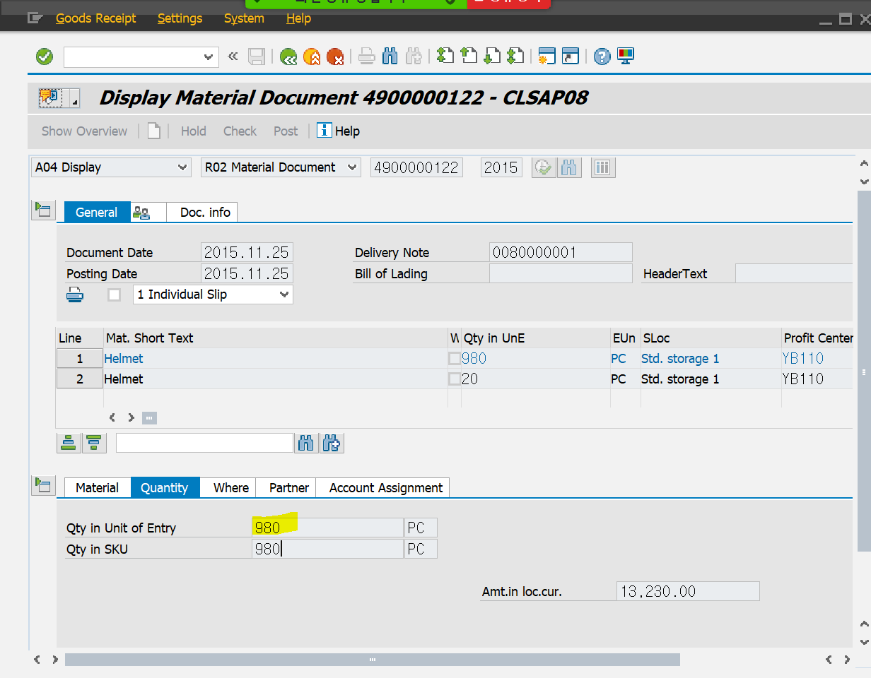
S | SOBKZ |  |  | Special Stock Indicator
Vendor | LIFNR |  |  | Vendor's account number
Customer | KUNNR | 0017100001 | 0017100001 | Account number of customer
Sales Ord. | KDAUF |  |  | Sales Order Number
SO item | KDPOS | 0 | 0 | Item number in Sales Order
Sch. | KDEIN | 0 | 0 | Delivery schedule for sales order
Distribut. | PLPLA |  |  | Distribution of Differences
D/C | SHKZG | H | H | Debit/Credit Indicator
Crcy | WAERS | USD | USD | Currency Key
Loc.curr.amount | DMBTR | 13,230.00 | 270.00 | Amount in local currency
Delivery costs | BNBTR | 0.00 | 0.00 | Delivery costs in local currency
Amount | BUALT | 0.00 | 0.00 | Amount Posted in Alternative Price Control
D/C | SHKUM |  |  | Debit/credit indicator in revaluation
Revaluation | DMBUM | 0.00 | 0.00 | Revaluation amount on back-posting to a previous period
Val. Type | BWTAR |  |  | Valuation Type
Quantity | MENGE | 980 | 20 | Quantity
BUn | MEINS | ST | ST | Base Unit of Measure
Quantity | ERFMG | 980 | 20 | Quantity in unit of entry
EUn | ERFME | ST | ST | Unit of entry
Qty in OPUn | BPMNG | 0.000 | 0.000 | Quantity in Purchase Order Price Unit
OPU | BPRME |  |  | Order Price Unit (Purchasing)
PO | EBELN |  |  | Purchase order number
Item | EBELP | 0 | 0 | Item Number of Purchasing Document
FYrRef | LFBJA | 0 | 0 | Fiscal Year of a Reference Document
Ref. Doc. | LFBNR |  |  | Document No. of a Reference Document
RfIt | LFPOS | 0 | 0 | Item of a Reference Document
MatYr | SJAHR | 0 | 0 | Material Document Year
Mat. Doc. | SMBLN |  |  | Number of Material Document
Item | SMBLP | 0 | 0 | Item in Material Document
DCI | ELIKZ |  |  | "Delivery Completed" Indicator
Text | SGTXT |  |  | Item Text
Equipment | EQUNR |  |  | Equipment Number
Recipient | WEMPF | 0017100001 | 0017100001 | Goods recipient
Unloading Point | ABLAD |  |  | Unloading Point
BusA | GSBER |  |  | Business Area
COAr | KOKRS | A000 | A000 | Controlling Area
TPBA | PARGB |  |  | Trading partner's business area
ClCCd | PARBU |  |  | Clearing company code
Cost Ctr | KOSTL |  |  | Cost Center
not in use | PROJN |  |  | Old: Project number : No longer used --> PS_POSNR
Order | AUFNR |  |  | Order Number
Asset | ANLN1 |  |  | Main Asset Number
SNo. | ANLN2 |  |  | Asset Subnumber
CS | XSKST |  |  | Indicator: Statistical Posting to Cost Center
OS | XSAUF |  |  | Indicator: Posting to Order Is Statistical
SP | XSPRO |  |  | Indicator: Posting to Project Is Statistical
PS | XSERG |  |  | Indicator: Posting to Profitability Analysis Is Statistical
Year | GJAHR | 2015 | 2015 | Fiscal Year
ABp | XRUEM |  |  | Allow Posting to Previous Period (Backposting)
PPY | XRUEJ |  |  | Indicator: post to previous year
CoCd | BUKRS | 1710 | 1710 | Company Code
DocumentNo | BELNR |  |  | Accounting Document Number
Itm | BUZEI | 0 | 0 | Number of Line Item Within Accounting Document
DocumentNo | BELUM |  |  | Accounting Document Number
Itm | BUZUM | 0 | 0 | Number of Line Item Within Accounting Document
Reserv.no. | RSNUM | 0 | 0 | Number of reservation/dependent requirements
Itm | RSPOS | 0 | 0 | Item Number of Reservation / Dependent Requirements
FIs | KZEAR |  |  | Final issue for this reservation
Quantity | PBAMG | 0.000 | 0.000 | Quantity
StR | KZSTR | 2 | 2 | Transaction/event is relevant to statistics
Receiving Material | UMMAT |  |  | Receiving/Issuing Material
Plant | UMWRK |  |  | Receiving plant/issuing plant
Rec. | UMLGO |  |  | Receiving/issuing storage location
Rec. Batch | UMCHA |  |  | Receiving/Issuing Batch
R-U | UMZST |  |  | Status of Transfer Batch
Key | UMZUS |  |  | Status key of transfer batch
Val. Type | UMBAR |  |  | Valuation Type of Transfer Batch
Tfr | UMSOK |  |  | Special stock indicator for physical stock transfer
Mvt | KZBEW | L | L | Movement Indicator
Cns | KZVBR | V | V | Consumption posting
Rec | KZZUG |  |  | Receipt Indicator
N | WEUNB |  |  | Goods Receipt, Non-Valuated
No. pallets | PALAN | 0 | 0 | WMS Number of pallets
WhN | LGNUM |  |  | Warehouse Number / Warehouse Complex
Typ | LGTYP |  |  | Storage Type
Stor. Bin | LGPLA |  |  | Storage Bin
S | BESTQ |  |  | Stock Category in the Warehouse Management System
MTy | BWLVS | 0 | 0 | Movement Type for Warehouse Management
TR Number | TBNUM | 0 | 0 | Transfer Requirement Number
Item | TBPOS | 0 | 0 | Transfer Requirement Item
W | XBLVS |  |  | Indicator: posting in warehouse management system
IP | VSCHN |  |  | Ind: interim storage posting for source stor.type and bin
IP | NSCHN |  |  | Ind.: interim storage posting for dest.stor.type and bin
Dyn.bin | DYPLA |  |  | Indicator: dynamic storage bin
PostChNo | UBNUM | 0 | 0 | Posting Change Number
Pr | TBPRI |  |  | Transfer Priority
TO Number | TANUM | 0 | 0 | Transfer Order Number
GRS | WEANZ | 0 | 0 | Number of GR/GI Slips to Be Printed
Reas. | GRUND | 0 | 0 | Reason for Movement
SI | EVERS |  |  | Shipping Instructions
Comp | EVERE |  |  | Compliance with Shipping Instructions
REst Key | IMKEY |  |  | Internal Key for Real Estate Object
CostObject | KSTRG |  |  | Cost Object
Prof. Seg. | PAOBJNR | 215 | 217 | Profitability Segment Number (CO-PA)
Profit Ctr | PRCTR | YB110 | YB110 | Profit Center
WBS Element | PS_PSP_PNR | 0 | 0 | Work Breakdown Structure Element (WBS Element)
Network | NPLNR |  |  | Network Number for Account Assignment
Routing number for operations | AUFPL | 0 | 0 | Routing number of operations in the order
Counter | APLZL | 0 | 0 | Internal counter
Order item number | AUFPS | 0 | 0 | Order item number
Partner | VPTNR |  |  | Partner account number
Commitment itm | FIPOS |  |  | Commitment Item
G/L Acct | SAKTO | 0051600000 | 0051600000 | G/L Account Number
Quantity in | BSTMG | 0.000 | 0.000 | Goods receipt quantity in order unit
OUn | BSTME |  |  | Purchase Order Unit of Measure
Rv | XWSBR |  |  | Reversal of GR allowed for GR-based IV despite invoice
Supplier | EMLIF |  |  | Supplier to be Supplied/Who is to Receive Delivery
Ext. Amount in Local Currency | EXBWR | 0.00 | 0.00 | Externally Entered Posting Amount in Local Currency
Sales Value inc. VAT | VKWRT | 0.00 | 0.00 | Value at Sales Prices Including Value-Added Tax
Promotion | AKTNR |  |  | Promotion
SAA | ZEKKN | 0 | 0 | Sequential Number of Account Assignment
SLED/BBD | VFDAT |  |  | Shelf Life Expiration or Best-Before Date
Object no. | CUOBJ_CH | 0 | 0 | Internal object number of the batch classification
Sales Value | EXVKW | 0.00 | 0.00 | Externally Entered Sales Value in Local Currency
Partner PC | PPRCTR | YB110 | YB110 | Partner Profit Center
RcT | RSART |  |  | Record type
Fund | GEBER |  |  | Fund
Funds ctr | FISTL |  |  | Funds Center
Material | MATBF | TG11 | TG11 | Material in Respect of Which Stock is Managed
Receiving Material | UMMAB |  |  | Receiving/Issuing Material
QStr | BUSTM | MA01 | MA01 | Posting string for quantities
VStr | BUSTW | WA01 | WA01 | Posting String for Values
Quantity updating | MENGU | X | X | Quantity Updating in Material Master Record
Value updating | WERTU | X | X | Value Updating in Material Master Record
Total valuated stock before the posting | LBKUM | 9,998 | 9,998 | Total valuated stock before the posting
Value of total valuated stock before the | SALK3 | 134,973.00 | 134,973.00 | Value of total valuated stock before the posting
Pr. | VPRSV | V | V | Price control indicator
Functional Area | FKBER | YB99 | YB99 | Functional Area
Ref date | DABRBZ |  |  | Reference date for settlement
Sales Value w/o VAT | VKWRA | 0.00 | 0.00 | Value at Sales Prices Excluding Value Added Tax
Ref date | DABRZ |  |  | Reference date for settlement
P | XBEAU |  |  | Purchase order created at time of goods receipt
DNQty | LSMNG | 0.000 | 0.000 | Quantity in Unit of Measure from Delivery Note
DNUn | LSMEH |  |  | Unit of Measure From Delivery Note
Spec. stk valuation | KZBWS |  |  | Valuation of Special Stock
Inspection Status in GR Document | QINSPST |  |  | Status of Goods Receipt Inspection
OrLi | URZEI | 1 | 2 | Original line in material document
Alt. base amnt. | J_1BEXBASE | 0.00 | 0.00 | Alternate base amount in document currency
Tx | MWSKZ |  |  | Tax on sales/purchases code
Tax Jur. | TXJCD |  |  | Tax Jurisdiction
MPN material | EMATN |  |  | Material number corresponding to manufacturer part number
Goods issue revaluation performed | J_1AGIRUPD |  |  | Goods issue revaluation performed
Tx | VKMWS |  |  | Tax on sales/purchases code
Manuf. Dte | HSDAT |  |  | Date of Manufacture
S | BERKZ |  |  | Material Staging Indicator for Production Supply
Sales ord. | MAT_KDAUF |  |  | Sales order number of valuated sales order stock
SO item | MAT_KDPOS | 0 | 0 | Sales Order Item of Valuated Sales Order Stock
WBS Element | MAT_PSPNR | 0 | 0 | Valuated Sales Order Stock WBS Element
Calcn of val.Open | XWOFF |  |  | Calculation of val. open
AInd | BEMOT |  |  | Accounting Indicator
Bus. Process | PRZNR |  |  | Business Process
Goods Supp | LLIEF |  |  | Goods Supplier
ActTyp | LSTAR |  |  | Activity Type
VStock | XOBEW |  |  | Vendor Stock Valuation Indicator
Grant | GRANT_NBR |  |  | Grant
S | ZUSTD_T156M | F | F | Stock Type Modification (Read from Table T156M)
G | SPE_GTS_STOCK_TY |  |  | GTS Stock Type
Earmarked funds | KBLNR |  |  | Document number for earmarked funds
Itm | KBLPOS | 0 | 0 | Earmarked Funds: Document Item
Multiple Account Assignment | XMACC |  |  | Multiple Account Assignment
TETy | VGART_MKPF | WL | WL | Transaction/Event Type
Pstng Date | BUDAT_MKPF | 2015-11-25 | 2015-11-25 | Posting Date in the Document
Entry Dte | CPUDT_MKPF | 2015-11-25 | 2015-11-25 | Day On Which Accounting Document Was Entered
Time | CPUTM_MKPF | 5:02:10 | 5:02:10 | Time of Entry
User Name | USNAM_MKPF | JONESD | JONESD | User Name
Reference | XBLNR_MKPF | 0080000001 | 0080000001 | Reference Document Number
TCode | TCODE2_MKPF | VL02N | VL02N | Transaction Code
Delivery | VBELN_IM | 0080000001 | 0080000001 | Delivery
Item | VBELP_IM | 10 | 20 | Delivery Item
Stock Segment | SGT_SCAT |  |  | Stock Segment
Receiving Stock Segment | SGT_UMSCAT |  |  | Receiving/Issuing Stock Segment
Req. Segment | SGT_RCAT |  |  | Requirement Segment
SrvPrfm | SERVICEPERFORMER |  |  | Service Performer
Pers.No. | PERNR | 0 | 0 | Personnel Number
A | KNTTP_GR |  |  | Account Assignment Category
Work Item ID | WORK_ITEM_ID |  |  | Work Item ID
Serv.Rend. | FBUDA |  |  | Date on which services rendered
Print | XPRINT |  |  | Print via Output Control
Qty in PUoM | /CWM/MENGE | 0.000 | 0.000 | Quantity in Parallel Unit of Measure
PUn | /CWM/MEINS |  |  | Parallel Unit of Measure
PuM Entry Quantity | /CWM/ERFMG | 0.000 | 0.000 | Quantity in Parallel Unit of Entry
PUn EUn | /CWM/ERFME |  |  | PUoM Entry Unit of Measure
Owner of stock | DISUB_OWNER |  |  | Owner of stock
Season Year | FSH_SEASON_YEAR |  |  | Season Year
Season | FSH_SEASON |  |  | Season
Collection | FSH_COLLECTION |  |  | Fashion Collection
Theme | FSH_THEME |  |  | Fashion Theme
Receiving/Issuing Season Year | FSH_UMSEA_YR |  |  | Receiving/Issuing Season Year
Receiving/Issuing Season | FSH_UMSEA |  |  | Receiving/Issuing Season
Receiving/Issuing Collection | FSH_UMCOLL |  |  | Receiving/Issuing Collection
Receiving/Issuing Theme | FSH_UMTHEME |  |  | Receiving/Issuing Theme
Discrete Batch No. | SGT_CHINT |  |  | Discrete Batch Number
Completed indicator | COMPL_MARK |  |  | Completed indicator
Do Not Adjust Cum. Received Qty. | FZGLS_MARK |  |  | Do Not Adjust Cumulative Received Quantity
Adjust Open Quantity of Item | ETANP_MARK |  |  | Adjust Open Quantity in Scheduling Agreement Item
DBox | POPUP_MARK |  |  | Display Dialog Box
Non-deductible | OINAVNW | 0.00 | 0.00 | Non-deductible input tax
CKy | OICONDCOD |  |  | Joint Venture Indicator (Condition Key)
CKy | CONDI |  |  | Joint Venture Indicator (Condition Key)
Characteristic Value 1 | WRF_CHARSTC1 |  |  | Characteristic Value 1
Characteristic Value 2 | WRF_CHARSTC2 |  |  | Characteristic Value 2
Characteristic Value 3 | WRF_CHARSTC3 |  |  | Characteristic Value 3

